Instruction
BWM (Best Worst Method) |  | Instruction:
In this excel file you will learn how to construct and solve a multi-criteria decision-making problem using BWM. There are two popular versions of BWM (non-linear BWM (Rezaei, 2015), and linear BWM (Rezaei, 2016)). This excel file is based on the linear BWM. The consistency check is based on Liang, Brunelli, Rezaei (2020). Here, there is an explanation of the five steps need to be taken in order to construct and solve the problem. In the next sheet, an example (including five decision criteria) is presented. There are different sheets (C=3, C=4, ...) for problems with different number of criteria. | Step 1. | Determine the number of decision criteria. This, of course, depends on your problem. For instance if you want to buy a car and you consider five criteria uality, price, comfort, safety, and style you should go to the Sheet C=5.

Requirement:
If you don't have Solver in the toolbar of your Excel, you need to install it first (follow the steps below): Go to "File", then "Options", then "Add-Ins". At the button (Excel Add-Ins, click on Go..."), Select "Solver Add-in" and press "OK". You should now be able to see Solver in your "Data" tab. You may also watch this video to know more about solving linear programming problem using Excel Solver https://www.youtube.com/watch?v=wfy8fxnZEWk

 |  | You should then enter the names of the criteria in the right place (see below, as example).

 |  | Determine the best (e.g. the most desirable, the most important) and the worst (e.g. the least desirable, the least important) criteria based on the opinion of the decision-maker. You can choose the Best and the Worst from the drop-box next to "Select the best", and "Select the worst" respectively.
References: | Step 2.
Rezaei, J. (2015).Best-worst multi-criteria decision-making method. Omega, 53, 49-57.
Rezaei, J. (2016). Best-worst multi-criteria decision-making method: Some properties and a linear model. Omega, 64, 126-130.

Liang, F., Brunelli, M., Rezaei, J. (2020). Consistency issues in the Best Worst Method: Measurements and thresholds, Omega, 96, pp. 102175.

BWM Solver v2.0, Release date: 02-02-2022 Copyright ©Jafar Rezaei
To see more information visit www.bestworstmethod.com | Steps 3 & 4. | Express the preference of the decision-maker on "the Best criterion over all the other criteria", and the preference of "all the other criteria over the Worst" by selecting a number between 1 and 9 from the drop-box.
If you have any questions you may contact info@bestworstmethod.com |  |  | The meaning of the numbers 1-9:
 |  |  | 1: Equal importance
 |  |  | 2: Somewhat between Equal and Moderate
 |  |  | 3: Moderately more important than
 |  |  | 4: Somewhat between Moderate and Strong
 |  |  | 5: Strongly more important than
 |  |  | 6: Somewhat between Strong and Very strong
 |  |  | 7: Very strongly important than
 |  |  | 8: Somewhat between Very strong and Absolute
 |  |  | 9: Absulutly more important than
 | Step 5. | Use Solver to solve the problem. Go to "Data" tab. Click on "Solver"

 |  | A window like the one below opens. Press "Solve", and then "OK".
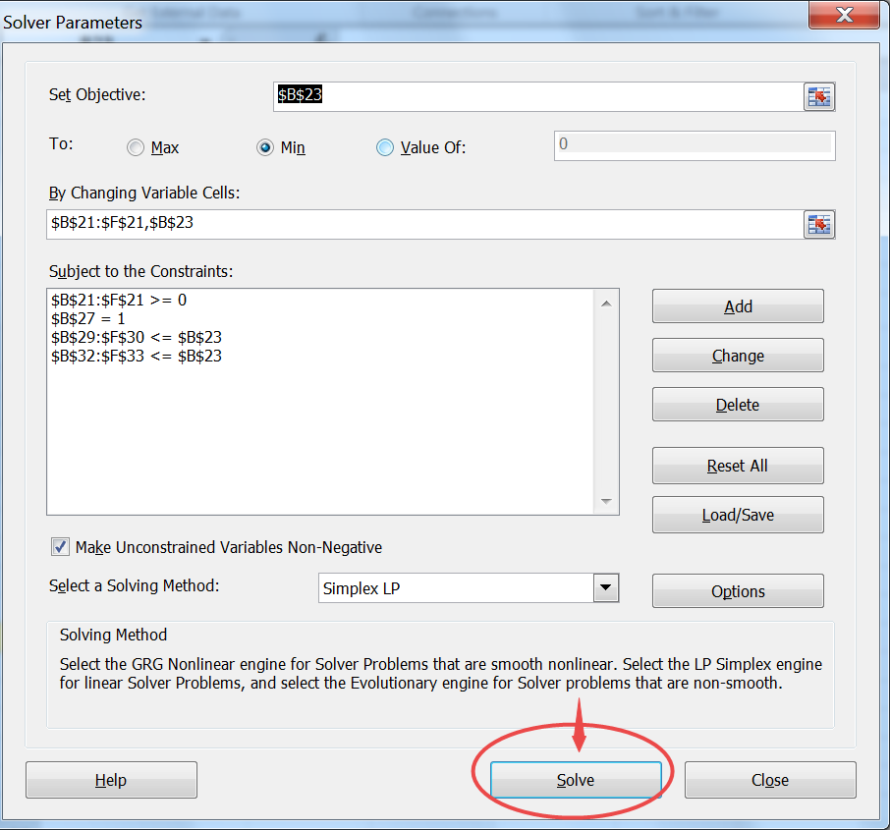

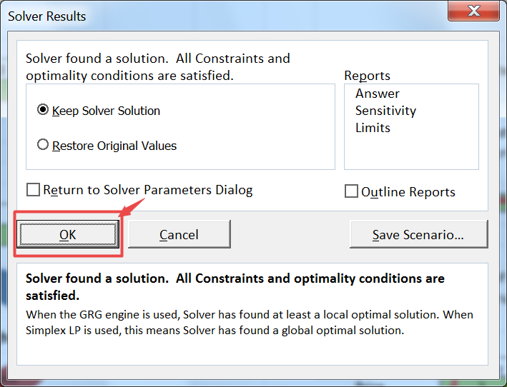

 |  | After pressing the "OK" button, you get the weights and the input-based consistency ratio (CR) (reliability score) in the yellow cells.

 | Note: | You just need to fill in the green boxes and leave the other boxes alone. After you operating the Solver, the weights of criteria will be automatically obtained.

Example
Example: In this sheet you see how a BWM problem is constructed and solved following the instruction. This example is Example 2 from this reference: Rezaei, J. (2016). Best-worst multi-criteria decision-making method: Some properties and a linear model. Omega, 64, 126-130.

Depending on the number of criteria (C) go to the right sheet (Step 1)

Enter the names of the criteria (Step 1)
Criteria Number = 5 | Criterion 1 | Criterion 2 | Criterion 3 | Criterion 4 | Criterion 5
Names of Criteria | Quality | Price | Comfort | Safety | Style
Select the Best and the Worst (Step 2)
Select the Best | Price

Enter the decision-maker's preferences (Best to others: BO vector) (Step 3)
Select the Worst | Style
 |  |  |  |  |  |  | Criteria | 9
Best to Others | Quality | Price | Comfort | Safety | Style |  | Scales
Price | 2 | 1 | 4 | 3 | 8 | 0 | 0 | 0 | 0.017857142857 | 0
Enter the decision-maker's preferences (Others to Worst: OW vector) (Step 4)
Now, go to "Data" tab, and click on "Solver" (Step 5). The weights will be automatically obtained and shown in the yellow cells and in the figure. If you change some green parts you should do Step 5 again to get the new results.
Others to the Worst | Style |  |  |  |  |  |  |  |  | Criteria | 5
Quality | 4 |  |  |  |  |  |  |  |  | Scales
Price | 8 |  |  |  |  |  |  |  |  | 3 | 0.1667
Comfort | 2 |  |  |  |  |  |  |  |  | 4 | 0.1898
Safety | 3 |  |  |  |  |  |  |  |  | 5 | 0.2306
Style | 1 |  |  |  |  |  |  |  |  | 6 | 0.2643
 |  |  |  |  |  |  |  |  |  | 7 | 0.2819
Weights | Quality | Price | Comfort | Safety | Style |  |  |  |  | 8 | 0.2958
 | 0.22950819672 | 0.44808743169 | 0.11475409836 | 0.15300546448 | 0.054644808743 |  |  |  |  | 9 | 0.3062
 |  |  |  |  |  |  |  |  |  |  | 8
Ksi* | 0.010928961749 |  |  |  |  |  |  |  |  |  | 0.2958
Input-Based CR | 0.017857142857 | The pairwise comparison consistency level is acceptable
Weights
Associated Threshold | 0.2958

The Input CR shows to what extent the results are reliable. If the CR is not bigger than the threshold, the consistency of the comparisons is acceptable. Otherwise you might ask the DM to revise the pairwise comparisons. These two numbers are valid only when you have entered all input data.
Sum of weights | 1

Constraint 1 | -0.010928961749 | 0 | -0.010928961749 | -0.010928961749 | 0.010928961749
 | 0.010928961749 | 0 | 0.010928961749 | 0.010928961749 | -0.010928961749

Constraint 2 | 0.010928961749 | 0.010928961749 | 0.0054644808743 | -0.010928961749 | 0
 | -0.010928961749 | -0.010928961749 | -0.0054644808743 | 0.010928961749 | 0

C=3
Criteria Number = 3 | Criterion 1 | Criterion 2 | Criterion 3
Names of Criteria

Select the Best

Select the Worst

Best to Others | Criterion 1 | Criterion 2 | Criterion 3
0

Others to the Worst | 0
Criterion 1
Criterion 2
Criterion 3

Weights | Criterion 1 | Criterion 2 | Criterion 3

 | Weights
Criterion 1
Criterion 2
Criterion 3
Ksi*
Input-Based CR |  | The pairwise comparison consistency level is not acceptable
Associated Threshold

Sum of weights | 0

Constraint 1 | #N/A | #N/A | #N/A
 | #N/A | #N/A | #N/A

Constraint 2 | #N/A | #N/A | #N/A
 | #N/A | #N/A | #N/A

#DIV/0! | #DIV/0! | #DIV/0!

 |  |  |  | Criteria | 3
 |  |  |  | Scales
 |  |  |  | 3 | 0.1667
 |  |  |  | 4 | 0.1121
 |  |  |  | 5 | 0.1354
 |  |  |  | 6 | 0.133
 |  |  |  | 7 | 0.1294
 |  |  |  | 8 | 0.1309
 |  |  |  | 9 | 0.1359
 |  |  |  |  | 0
 |  |  |  |  | #N/A

C=4
Criteria Number = 4 | Criterion 1 | Criterion 2 | Criterion 3 | Criterion 4
Names of Criteria

Select the Best

Select the Worst

Best to Others | Criterion 1 | Criterion 2 | Criterion 3 | Criterion 4
0

Others to the Worst | 0
Criterion 1
Criterion 2
Criterion 3
Criterion 4

Weights | Criterion 1 | Criterion 2 | Criterion 3 | Criterion 4

 | Weights
Criterion 1
Criterion 2
Criterion 3
Criterion 4
Ksi*
Input-Based CR |  | The pairwise comparison consistency level is not acceptable
Associated Threshold

Sum of weights | 0

Constraint 1 | #N/A | #N/A | #N/A | #N/A
 | #N/A | #N/A | #N/A | #N/A

Constraint 2 | #N/A | #N/A | #N/A | #N/A
 | #N/A | #N/A | #N/A | #N/A

 |  |  |  |  | Criteria | 4
 |  |  |  |  | Scales
 |  |  |  |  | 3 | 0.1667
 |  |  |  |  | 4 | 0.1529
 |  |  |  |  | 5 | 0.1994
 |  |  |  |  | 6 | 0.199
 |  |  |  |  | 7 | 0.2457
 | #DIV/0! | #DIV/0! | #DIV/0! | #DIV/0! | 8 | 0.2521
 |  |  |  |  | 9 | 0.2681
 |  |  |  |  |  | 0
 |  |  |  |  |  | #N/A

C=5
Criteria Number = 5 | Criterion 1 | Criterion 2 | Criterion 3 | Criterion 4 | Criterion 5
Names of Criteria

Select the Best

Select the Worst

Best to Others | Criterion 1 | Criterion 2 | Criterion 3 | Criterion 4 | Criterion 5
0

Others to the Worst | 0
Criterion 1
Criterion 2
Criterion 3
Criterion 4
Criterion 5

Weights | Criterion 1 | Criterion 2 | Criterion 3 | Criterion 4 | Criterion 5

 | Weights
Criterion 1
Criterion 2
Criterion 3
Criterion 4
Criterion 5
Ksi*
Input-Based CR |  | The pairwise comparison consistency level is not acceptable
Associated Threshold

Sum of weights | 0

Constraint 1 | #N/A | #N/A | #N/A | #N/A | #N/A
 | #N/A | #N/A | #N/A | #N/A | #N/A

Constraint 2 | #N/A | #N/A | #N/A | #N/A | #N/A
 | #N/A | #N/A | #N/A | #N/A | #N/A

 |  |  |  |  |  | Criteria | 5
 |  |  |  |  |  | Scales
 |  |  |  |  |  | 3 | 0.1667
 |  |  |  |  |  | 4 | 0.1898
 |  |  |  |  |  | 5 | 0.2306
 |  |  |  |  |  | 6 | 0.2643
 | #DIV/0! | #DIV/0! | #DIV/0! | #DIV/0! | #DIV/0! | 7 | 0.2819
 |  |  |  |  |  | 8 | 0.2958
 |  |  |  |  |  | 9 | 0.3062
 |  |  |  |  |  |  | 0
 |  |  |  |  |  |  | #N/A

C=6
Criteria Number = 6 | Criterion 1 | Criterion 2 | Criterion 3 | Criterion 4 | Criterion 5 | Criterion 6
Names of Criteria

Select the Best

Select the Worst

Best to Others | Criterion 1 | Criterion 2 | Criterion 3 | Criterion 4 | Criterion 5 | Criterion 6
0

Others to the Worst | 0
Criterion 1
Criterion 2
Criterion 3
Criterion 4
Criterion 5
Criterion 6

Weights | Criterion 1 | Criterion 2 | Criterion 3 | Criterion 4 | Criterion 5 | Criterion 6

 | Weights
Criterion 1
Criterion 2
Criterion 3
Criterion 4
Criterion 5
Criterion 6
Ksi*
Input-Based CR |  | The pairwise comparison consistency level is not acceptable
Associated Threshold

Sum of weights | 0

Constraint 1 | #N/A | #N/A | #N/A | #N/A | #N/A | #N/A
 | #N/A | #N/A | #N/A | #N/A | #N/A | #N/A

Constraint 2 | #N/A | #N/A | #N/A | #N/A | #N/A | #N/A
 | #N/A | #N/A | #N/A | #N/A | #N/A | #N/A

 | #DIV/0! | #DIV/0! | #DIV/0! | #DIV/0! | #DIV/0! | #DIV/0!

 |  |  |  |  |  |  | Criteria | 6
 |  |  |  |  |  |  | Scales
 |  |  |  |  |  |  | 3 | 0.1667
 |  |  |  |  |  |  | 4 | 0.2206
 |  |  |  |  |  |  | 5 | 0.2546
 |  |  |  |  |  |  | 6 | 0.3044
 |  |  |  |  |  |  | 7 | 0.3029
 |  |  |  |  |  |  | 8 | 0.3154
 |  |  |  |  |  |  | 9 | 0.3337
 |  |  |  |  |  |  |  | 0
 |  |  |  |  |  |  |  | #N/A

C=7
Criteria Number = 7 | Criterion 1 | Criterion 2 | Criterion 3 | Criterion 4 | Criterion 5 | Criterion 6 | Criterion 7
Names of Criteria

Select the Best

Select the Worst

Best to Others | Criterion 1 | Criterion 2 | Criterion 3 | Criterion 4 | Criterion 5 | Criterion 6 | Criterion 7
0

Others to the Worst | 0
Criterion 1
Criterion 2
Criterion 3
Criterion 4
Criterion 5
Criterion 6
Criterion 7

Weights | Criterion 1 | Criterion 2 | Criterion 3 | Criterion 4 | Criterion 5 | Criterion 6 | Criterion 7

 | Weights
Criterion 1
Criterion 2
Criterion 3
Criterion 4
Criterion 5
Criterion 6
Criterion 7
Ksi*
Input-Based CR |  | The pairwise comparison consistency level is not acceptable
Associated Threshold

Sum of weights | 0

Constraint 1 | #N/A | #N/A | #N/A | #N/A | #N/A | #N/A | #N/A
 | #N/A | #N/A | #N/A | #N/A | #N/A | #N/A | #N/A

Constraint 2 | #N/A | #N/A | #N/A | #N/A | #N/A | #N/A | #N/A
 | #N/A | #N/A | #N/A | #N/A | #N/A | #N/A | #N/A

 | #DIV/0! | #DIV/0! | #DIV/0! | #DIV/0! | #DIV/0! | #DIV/0! | #DIV/0!
 |  |  |  |  |  |  |  | Criteria | 7
 |  |  |  |  |  |  |  | Scales
 |  |  |  |  |  |  |  | 3 | 0.1667
 |  |  |  |  |  |  |  | 4 | 0.2527
 |  |  |  |  |  |  |  | 5 | 0.2716
 |  |  |  |  |  |  |  | 6 | 0.3144
 |  |  |  |  |  |  |  | 7 | 0.3144
 |  |  |  |  |  |  |  | 8 | 0.3408
 |  |  |  |  |  |  |  | 9 | 0.3517
 |  |  |  |  |  |  |  |  | 0
 |  |  |  |  |  |  |  |  | #N/A

C=8
Criteria Number = 8 | Criterion 1 | Criterion 2 | Criterion 3 | Criterion 4 | Criterion 5 | Criterion 6 | Criterion 7 | Criterion 8
Names of Criteria

Select the Best

Select the Worst

Best to Others | Criterion 1 | Criterion 2 | Criterion 3 | Criterion 4 | Criterion 5 | Criterion 6 | Criterion 7 | Criterion 8
0

Others to the Worst | 0
Criterion 1
Criterion 2
Criterion 3
Criterion 4
Criterion 5
Criterion 6
Criterion 7
Criterion 8

Weights | Criterion 1 | Criterion 2 | Criterion 3 | Criterion 4 | Criterion 5 | Criterion 6 | Criterion 7 | Criterion 8

 | Weights
Criterion 1
Criterion 2
Criterion 3
Criterion 4
Criterion 5
Criterion 6
Criterion 7
Criterion 8
Ksi*
Input-Based CR |  | The pairwise comparison consistency level is not acceptable
Associated Threshold

Sum of weights | 0

Constraint 1 | #N/A | #N/A | #N/A | #N/A | #N/A | #N/A | #N/A | #N/A
 | #N/A | #N/A | #N/A | #N/A | #N/A | #N/A | #N/A | #N/A

Constraint 2 | #N/A | #N/A | #N/A | #N/A | #N/A | #N/A | #N/A | #N/A
 | #N/A | #N/A | #N/A | #N/A | #N/A | #N/A | #N/A | #N/A

 | #DIV/0! | #DIV/0! | #DIV/0! | #DIV/0! | #DIV/0! | #DIV/0! | #DIV/0! | #DIV/0!

 |  |  |  |  |  |  |  |  | Criteria | 8
 |  |  |  |  |  |  |  |  | Scales
 |  |  |  |  |  |  |  |  | 3 | 0.1667
 |  |  |  |  |  |  |  |  | 4 | 0.2577
 |  |  |  |  |  |  |  |  | 5 | 0.2844
 |  |  |  |  |  |  |  |  | 6 | 0.3221
 |  |  |  |  |  |  |  |  | 7 | 0.3251
 |  |  |  |  |  |  |  |  | 8 | 0.362
 |  |  |  |  |  |  |  |  | 9 | 0.362
 |  |  |  |  |  |  |  |  |  | 0
 |  |  |  |  |  |  |  |  |  | #N/A

C=9
Criteria Number = 9 | Criterion 1 | Criterion 2 | Criterion 3 | Criterion 4 | Criterion 5 | Criterion 6 | Criterion 7 | Criterion 8 | Criterion 9
Names of Criteria

Select the Best

Select the Worst

Best to Others | Criterion 1 | Criterion 2 | Criterion 3 | Criterion 4 | Criterion 5 | Criterion 6 | Criterion 7 | Criterion 8 | Criterion 9
0

Others to the Worst | 0
...
Criterion 6
Criterion 7
Criterion 8
Criterion 9

Weights | Criterion 1 | Criterion 2 | Criterion 3 | Criterion 4 | Criterion 5 | Criterion 6 | Criterion 7 | Criterion 8 | Criterion 9

Weights
 | Weights
Criterion 1
Criterion 2
Criterion 3
Criterion 4
Criterion 5
Criterion 6
Criterion 7
Criterion 8
Criterion 9
Ksi*
Input-Based CR |  | The pairwise comparison consistency level is not acceptable
Associated Threshold

Sum of weights | 0

Constraint 1 | #N/A | #N/A | #N/A | #N/A | #N/A | #N/A | #N/A | #N/A | #N/A
 | #N/A | #N/A | #N/A | #N/A | #N/A | #N/A | #N/A | #N/A | #N/A

Constraint 2 | #N/A | #N/A | #N/A | #N/A | #N/A | #N/A | #N/A | #N/A | #N/A
 | #N/A | #N/A | #N/A | #N/A | #N/A | #N/A | #N/A | #N/A | #N/A
...

